Definitions
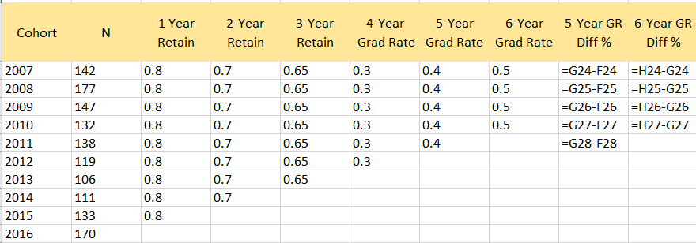
Variables
N | Number of students in cohort
1 Year Retain | First-year retention rate in %
2-Year Retain | Second-year retention rate in %
3-Year Retain | Third-Year retention rate in %
4-Year Grad Rate | Four-year graduation rate in %
5-Year Grad Rate | Five-year graduation rate in %
6-Year Grad Rate | Six -graduation rate in %
5-Year GR Diff % | Formula Field (5 Year Graduation Rate minus 4 Year Graduation Rate) or (G-F)
6-Year GR Diff % | Formula Field (6 Year Graduation Rate minus 5 Year Graduation Rate) or (H-G)

template
Retention and Graduation Rates for FTFT Freshmen

Cohort | N | 1 Year Retain | 2-Year Retain | 3-Year Retain | 4-Year Grad Rate | 5-Year Grad Rate | 6-Year Grad Rate | 5-Year GR Diff % | 6-Year GR Diff %
2007 | 142 | 80% | 70% | 65% | 30% | 40% | 50% | 10% | 10%
2008 | 177 | 80% | 70% | 65% | 30% | 40% | 50% | 10% | 10%
2009 | 147 | 80% | 70% | 65% | 30% | 40% | 50% | 10% | 10%
2010 | 132 | 80% | 70% | 65% | 30% | 40% | 50% | 10% | 10%
2011 | 138 | 80% | 70% | 65% | 30% | 40% |  | 10%
2012 | 119 | 80% | 70% | 65% | 30%
2013 | 106 | 80% | 70% | 65%
2014 | 111 | 80% | 70%
2015 | 133 | 80%
2016 | 170

